1. Title Page
[Grocery Analysis]

Project Name: Instacart Grocery Analysis
Date: May 14th,2025
Analyst Name: Beatriz Acosta

Contents:
Population Flow
Consistency checks
Wrangling steps
Column derivations
Visualizations
Recommendations

2. Population Flow
Title page

Population flow

Exclusion flag
Condition: max_order < 5
Obervations to be removed: 1440295
Final total count of order_products_all: 30964564

Orders_products_combined
Orders_products_merged
Orders_products_all

Total: 32404859
Total: 32434489
Total: 32404859

1.) The grey boxes in the first row of the population flow represent the original data sets as they were when you downloaded them. In the Total fields you need to add the count of the rows when you imported the data set into Jupyter.
2.) The second row of boxes (coloured) represents the data sets after you manipulated them, e.g., removed missing values and duplicates. In the Total fields you need to add the count of the rows after conducting these operations. This offers a visual oveview of how the data flows throughout the data consistency checks.
3.) The third row, where also the arrows are coloured, represents the merges you performed between the datasets. In the Total fields you need to add the count of the rows in the merged datasets, so that you end up with the final dataset (in the red box). Keep in mind the final dataset should be without exclusions (based on the exclusion flag).

3. Consistency checks
 |  |  |  | Title page
Consistency checks

Dataset | Missing values | Missing values treatment | Duplicates
orders | Days_since_prior_order has 206209 missing values | Missing valus oocur for the users first order, I addressed the missing values with 0 | No duplicates values found
products | Product_name has 16 missing values | Removed from Dataframe | 5 Duplicate Values were found
orders_products_prior | Zero Values found | Zero values found | Zero Values found
customers | Zero values found | Zero values found | Zero values found

4. Wrangling steps
 |  |  |  | Title page
Wrangling steps

Columns dropped | Columns renamed | Columns' type changed | Comment/Reason
_merge |  |  | Unnecessary information
 | Order_dow to orders_day_of_Week |  | better understanding
 | First_Name to first_name |  | better understanding
 | Surnam to surname |  | better understanding
 | Gender to gender |  | better understanding
 | Age to age |  | better understanding
 | STATE to state |  | better understanding
 | fam_status to marital_status |  | better understanding
 |  | Unnamed | int64 -int 32 memory reasons
 |  | orde_id | to str
 |  | user_id | int64 -int 32 memory reasons
 |  | order_number | int64 -int 32 memory reasons
 |  | order_days_of_week | int64 -int 32 memory reasons
 |  | order_hour_of_day | int64 -int 32 memory reasons
 |  | product_id | int64 -int 32 memory reasons
 |  | add_to _cart_order | int64 -int 32 memory reasons
 |  | reordered | int64 -int 32 memory reasons
 |  | aisle_id | int64 -int 32 memory reasons
 |  | department_id | int64 -int 32 memory reasons
 |  | max_order | int64 -int 32 memory reasons
 |  | age | int64 -int 8 memory reasons
 |  | n_dependants | int64 -int 8 memory reasons
 |  | first_name | to str

5. Column derivations
 |  |  |  | Title page

Column derivations and aggregations

In this tab you should add tables below that the frequences of flags/label variables that you produced after deriving them. NB: don't do this for continuous variables, only for flags.
Dataset | New column | Column/s it was derived from | Conditions
df_ords_prods_merge | prices_range_loc | 'prices | high_range product: >15
 |  |  | Mid_range Product >5 & <=15
 |  |  | Low_rage product <5

df_ords_prods_merge | 'busiest_day | orders_day_of_week | Busiest days: Satursay, Sunday
 |  |  | Regularly Busy : Wednesday,Thursday, Friday
 |  |  | Slowest days: Monday, Tuesday

df_ords_prods_merge | busiest_period_of_day | order_hour_of_day | Most Orders: 10,11,14,15,13,12,16,9
 |  |  | Average Orders: 17,8,18,19,20,7,21,22
 |  |  | Fewest Orders: 23,6,0,1,5,2,4,3

df_ords_prods_merge | max_order | order_number | Max count of orders per user

df_ords_prods_merge | loyalty_flag | max_order | loyal customer >=40
 |  |  | Regular Customer >10 &<40
 |  |  | New Customer <=10

df_ords_prods_merge | spending_flag | avg_product_price | High spnder>= 10
 |  |  | Low spender <10

df_ords_prods_merge | order_frequency_flag | median_Days_between_orders | non_frequent_customer >20
 |  |  | Regular Customer >10 &<=20
 |  |  | Frequent customer <=10

df_merged | customer_activity | max_order | low <5
 |  |  | High >=5

df_merged_change | Age Group | age | youth<=25
 |  |  | Adults > 25& <= 64
 |  |  | Senior >64

df_merged_change | Income Group | Income | low <= 50000
 |  |  | Middle >50000 &<=150000
 |  |  | High >150000

df_merged_change | dependents_flag | n_dependants | No dependents =0
 |  |  | Has depndents >=1

df_merged_change | department_name | department_id | All 21 departments names

6. Visualizations
 |  |  | Title page

Visualisations

In this tab you should include all the visualtions from Exercises 4.9 and 4.10, alongside the questions from the project brief that they answer. Include any commentary on the relationship between different variables.

Objectives | For sales and marketing teams

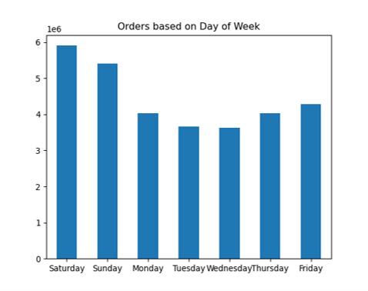 

 |  | Question 1
 |  | The sales team needs to know what the busiest days of the week and hours of the day are (i.e., the days and times with the most orders) in order to schedule ads at times when there are fewer orders

 |  | Answer:
 |  | The most busiest days of the week are the weekends and the hours are from 9:00 am to 12:00pm

 |  | Question 2
 |  | They also want to know whether there are particular times of the day when people spend the most money, as this might inform the type of products they advertise at these times.

 |  | Answer:
 |  | The order volume is highest in the late morning and early afternoon (around 10 AM – 3 PM). This aligns with customers planning meals for the day.

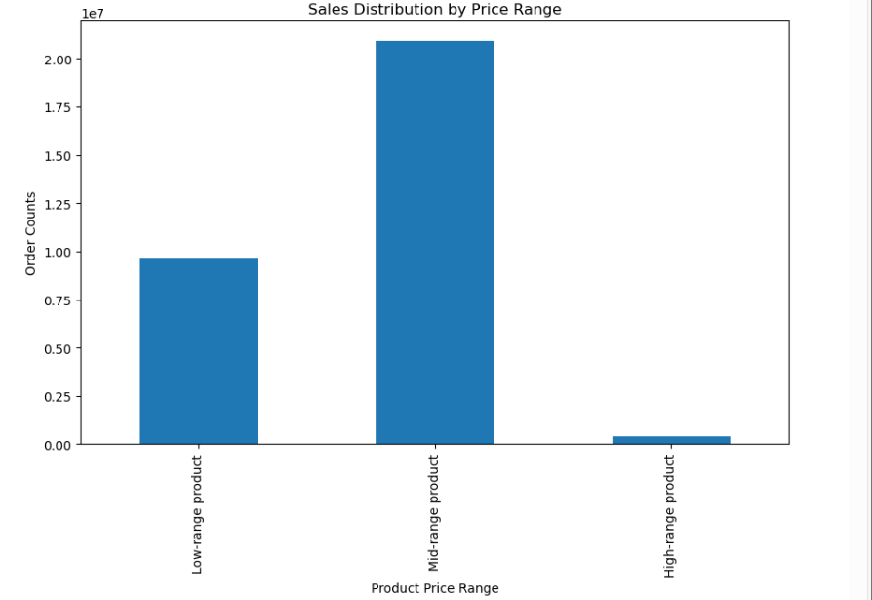

 |  | Question 3
 |  | Instacart has a lot of products with different price tags. Marketing and sales want to use simpler price range groupings to help direct their efforts.

 |  | Answer
 |  | This visualization leverages the product flag to categorize items into three pricing tiers: low, medium, and high. By analyzing sales distribution, it's evident that mid-range products priced between $5 and $15 demonstrate the strongest performance. This segmentation aids the marketing team in refining pricing strategies and optimizing promotional efforts to align with consumer preferences

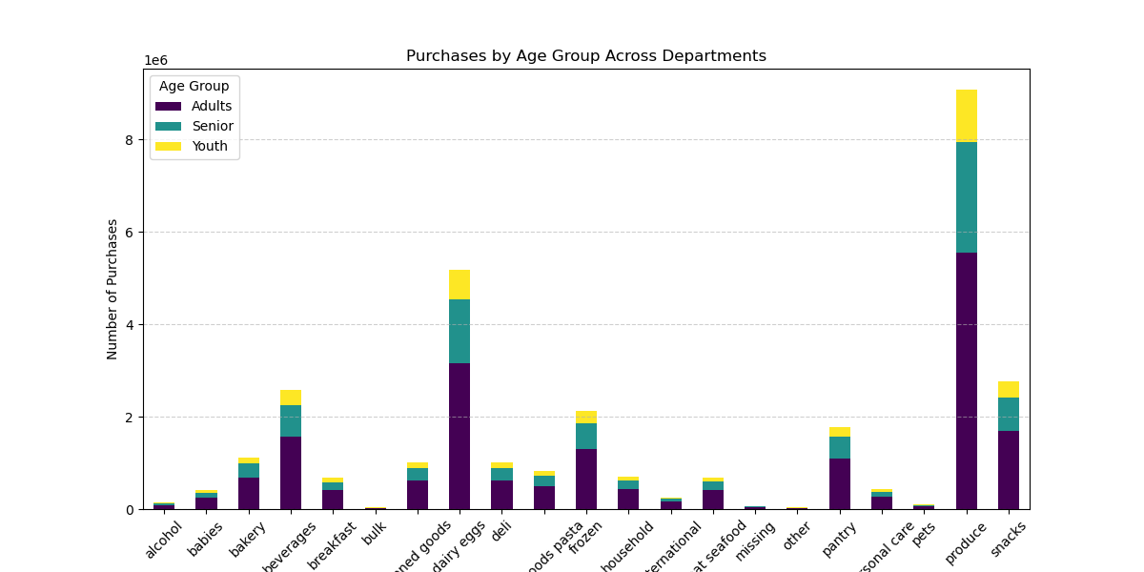

 |  | Question 4
 |  | Are there certain types of products that are more popular than others? The marketing and sales teams want to know which departments have the highest frequency of product orders

 |  | Answer
 |  | Produce is the most purchased category across all age groups, with over 5.5 million purchases from adults alone.

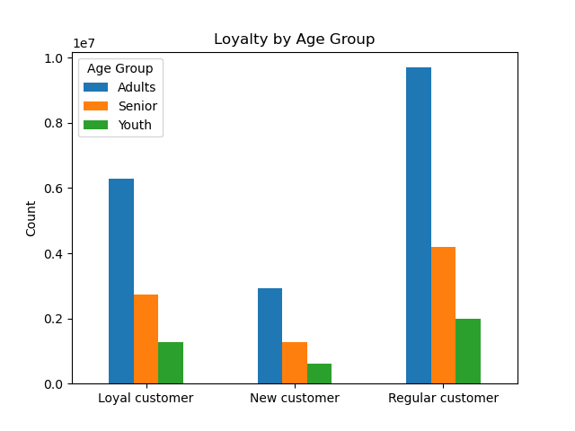
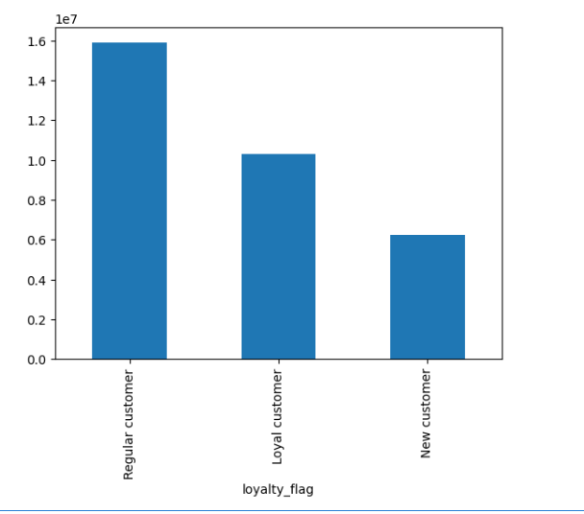
 |  | Question 5

 |  | What’sthedistribution among users in regards to their brand loyalty (i.e., how often do they return to Instacart)?

 |  | Are there differences in ordering habits based on a customer’s loyalty status?

 |  | Answer
 |  | Regular customers drive the highest total spending overall, even more than loyal customers.
 |  | Adults are the dominant customer base across all loyalty categories, indicating they drive most repeat business.

 |  | Question 6

 |  | Are there differences in ordering habits based on a customer’s region?

 |  | Answer
 |  | Produce, dairy/eggs, and snacks appear to have significant purchases across all regions.
 |  | Alcohol and bakery might show more variation depending on location.

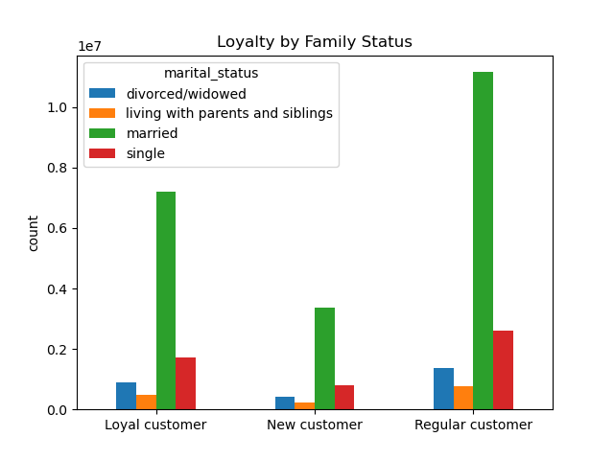
 |  | Question 7
 |  | Is there a connection between age and family status in terms of ordering habits?

 |  | Answer
 |  | Mostly orders were placeed by adults and from the Loyalty by Family Status Bar Chart; we can confirm that most of them are married.

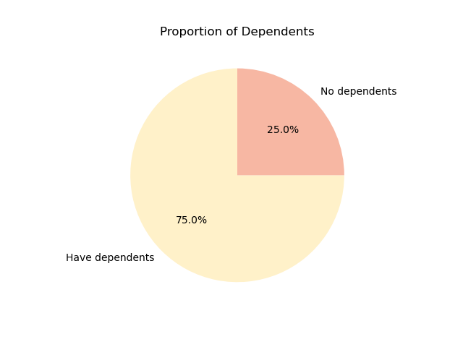 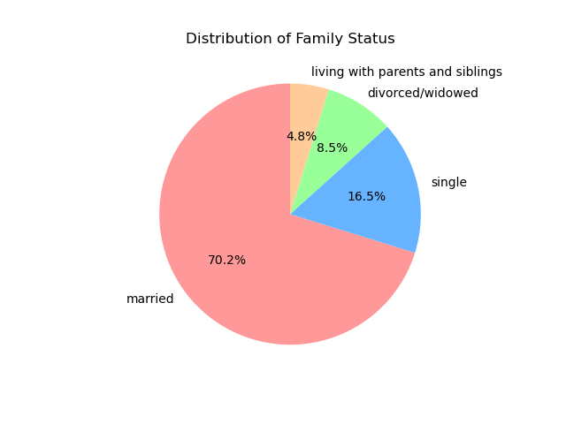 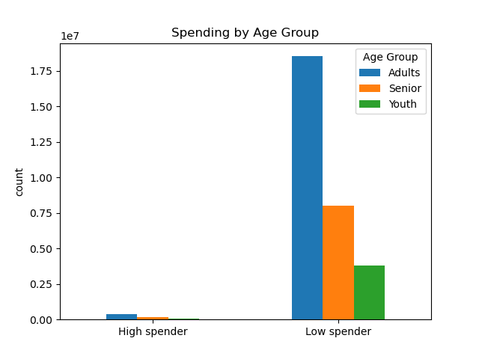 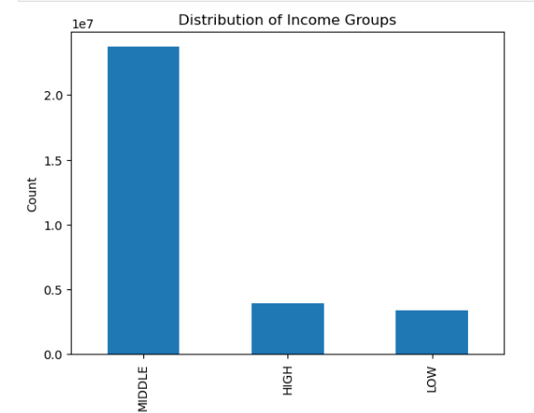
 |  | Question 8

 |  | What different classifications does the demographic information suggest? Age? Income? Certain types of goods? Family status?

 |  | Answer
 |  | Dependents: 75% of people have dependents, while 25% do not.

 |  | Family Status: Most individuals (70.2%) are married, followed by single (16.5%), divorced/widowed (8.5%), and living with parents/siblings (4.8%).

 |  | Spending by Age Group: Categorized into Adults, Seniors, and Youth, indicating spending levels as high or low.

 |  | Income Groups: Divided into high, middle, and low-income categories.

7. Recommendations
 |  |  | Title page

Recommendations

In this tab you should include any recommendations you would made to Instcart in terms of their marketing strategy based on the questions posed in the brief. Every key question has been covered in the Tasks of the Exercises - here you need to add an item - a visualisation or table/crosstable that is showing the answer in the data, acompanied by a comment from you. Please, list the questions below and add the answer underneath.

Question |  | Answer

Question | What the busiest days of the week and hours of the day are (i.e., the days and times with the most orders) in order to schedule ads at times when there are fewer orders?

Answer | Saturday has the highest number of orders at 6 million, followed by Sunday with 5 million. Meanwhile, Tuesday, Wednesday, and Thursday see the lowest order volumes, staying around 3 million each. Midweek orders tend to be lower, presenting an opportunity for targeted promotions or marketing efforts to boost engagement. Weekends see peak shopping activity, likely due to leisure shopping habits or paycheck cycles. Businesses could focus on optimizing campaigns to maximize visibility during slower periods while capitalizing on high-demand days

Question | Are there particular times of the day when people spend the most money, as this might inform the type of products they advertise at these times. The highest frequency of product orders will be determined here?

Answer | Morning purchases peak between 10 AM–12 PM, driven by essentials and work-related items. Prices dip around 10 AM, likely due to promotions, before rising in the afternoon and evening, signaling premium product sales. Marketing can advertise necessities in the morning, premium products later, and offer discounts during slower hours to boost engagement.

Question | What’s the distribution among users in regards to their brand loyalty (i.e., how often do they return to Instacart)?
Answer | Adults dominate loyal customers, while seniors and youth show lower engagement, presenting opportunities for targeted outreach. Regular customers are the largest group, making loyalty incentives crucial for conversion. Marketing can optimize ads based on age demographics and introduce promotions to boost engagement.

Question | Are there differences in ordering habits based on a customer’s region?
Answer | The Western and Southern regions lead in sales across product categories, while the Northeast and Midwest lag behind. To boost purchases in these areas, targeted regional promotions could encourage more frequent buying. Optimizing ads based on peak purchasing hours and age demographics can further enhance engagement.

Question | Is there a connection between age and family status in terms of ordering habits?
Answer | Family packs can drive engagement by bundling high-demand products like produce, dairy, and snacks for bulk shoppers. Tiered pricing encourages larger purchases while maintaining profitability, and loyalty rewards convert regular customers into loyal buyers. Strategic advertising during peak shopping hours ensures maximum visibility among family-oriented buyers.

Question | What different classifications does the demographic information suggest? Age? Income? Certain types of goods? Family status?

Answer | To optimize marketing based on spending behaviors and customer demographics: Family-Oriented Promotions: Since most customers are married and 75% have dependents, advertising bulk discounts and family packs can drive engagement. Income-Based Pricing Strategies: Middle-income buyers dominate, so we should balance affordability with premium offerings for high-income groups. Targeted Ads for Singles and Seniors: These segments have a high share of new customers, making personalized deals and introductory discounts effective for retention. Peak Time Optimization: Aligning promotions with peak spending hours ensures high visibility for key product categories.

